Hiearchy View
CLASS: COOLER
a device that mixes hot condensateor hot water with a cold water supply to reduce the temperature toacceptable discharge drain temperatures | 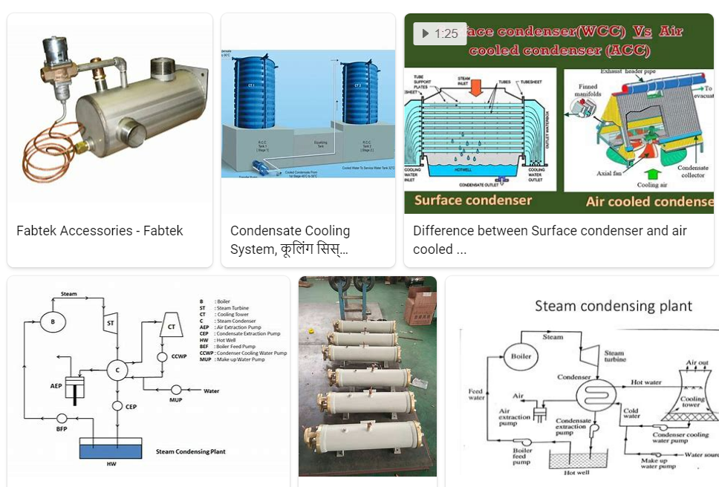
REMOVE | N

PROBLEM_DESC | CAUSE_DESC | REMEDY_DESC
BROKEN/DAMAGED
LEAKING
OTHER PROBLEM
OVERHEATING
PESTS
POWER-ELEC
PRESSURE
STOPPED/SLOWED/POOR OPS
TEMP-CTRL
VIBRATION
Grand Total

